1. Title Page
Instacart Data Analysis

Project Name: Instacart Data Analysis
Date: 04/02/2025
Analyst Name: Balachandar Kaliappan

Contents:

Population Flow
Consistency checks
Wrangling steps
Column derivations
Visualizations
Recommendations

Data Source:

“The Instacart Online Grocery Shopping Dataset 2017”, Accessed from www.instacart.com/datasets/grocery-shopping-2017 via Kaggle on 9/4/2024.
The customer data you explored, as well as the “prices” column in the products data set, were both fabricated for the purpose of this course

2. Population Flow
Title page

Population flow

Exclusion flag
Condition: max_order < 5
Obervations to be removed: 1,444,295
Final total count of order_products_all: 30,964,564

Orders_products_combined
Orders_products_merged
Orders_products_all

Total: 32,404,859
Total: 32,434,488
Total: 32,404,856

1.) The grey boxes in the first row of the population flow represent the original data sets as they were when you downloaded them. In the Total fields you need to add the count of the rows when you imported the data set into Jupyter.
2.) The second row of boxes (coloured) represents the data sets after you manipulated them, e.g., removed missing values and duplicates. In the Total fields you need to add the count of the rows after conducting these operations. This offers a visual oveview of how the data flows throughout the data consistency checks.
3.) The third row, where also the arrows are coloured, represents the merges you performed between the datasets. In the Total fields you need to add the count of the rows in the merged datasets, so that you end up with the final dataset (in the red box). Keep in mind the final dataset should be without exclusions (based on the exclusion flag).

3. Consistency checks
 |  |  |  | Title page
Consistency checks

Dataset | Missing values | Missing values treatment | Duplicates
orders | 206,209 observations are missing in the 'days_since_prior_order' column | Flagged as first_order | No duplicates
products | 16 missing observations in the 'product_name' column | Deleted missing observations | 5 duplicate entry found, deleted them
orders_products_prior | None | None | No duplicates
customers | None | None | No duplicates
orders_products_customers | price value above 100 dollars are marked as missing | changed to Nan

4. Wrangling steps
 |  |  |  | Title page
Wrangling steps

Columns dropped | Columns renamed | Columns' type changed | Comment/Reason
 |  | order_id | data type change, integer to string
 |  | user_id | data type change, integer to string
 |  | order_number | data type change, integer to string
 | order_dow to orders_day_of_week |  | For easier understanding and clarity
 | First Name to first_name |  | maintain naming convention
 | Surnam to last_name |  | maintain naming convention
 | Gender to gender |  | maintain naming convention
 | STATE to state |  | maintain naming convention
 | Age to age |  | maintain naming convention
 |  | first_name | data type change, mixed to string
Unnamed xx |  |  | not needed
_merge |  |  | not required - as they are coming from data merging
match |  |  | not required - as they are coming from data merging

5. Column derivations
 |  |  |  | Title page

Column derivations and aggregations

In this tab you should add tables below that the frequences of flags/label variables that you produced after deriving them. NB: don't do this for continuous variables, only for flags.
Dataset | New column | Column/s it was derived from | Conditions
orders | first_order | days_since_prior_order' | NaN
ords_prods_merge | price_range | prices | if prices <= 5 then 'Low-range product' if prices >5 & <= 15 then 'Mid-range product' if prices > 15 then 'High-range' else 'Not enough data'
 | busiest_day | orders_day_of_week | if value == 0 then 'Busiest day' if value == 4 then 'Least busy' else 'Regularly busy'
 | busiest_days | orders_day_of_week | if value == 0 or 1 then 'Busiest days' if value == 3 or 4 then 'Least busy days' else 'Regularly busy'
 | busiest_period_of_day | hour_of_day | if value == 10 and <= 16 then 'Most orders' if value >=0 and <= 6 then 'Fewest orders' else 'Average orders'
 | loyalty_flag | max_order | if value > 40 then 'Loyal customer' if value <= 40 & > 10 then 'Regular customer' if value <= 10 then 'New customer'
 | mean_spend | prices | average price per customer
 | spender_flag | mean_spend | if value < 10 then 'Low spender' if value >= 10 then 'High spender'
 | customer_frequency | days_since_prior_order | if value > 20 then 'Non-frequent customer' if value <= 20 & > 10 then 'Regular customer' if value <= 10 then 'Frequent customer'
orders_products_customers | region | state | State defined into regions according to this List of regions of the United States
 | activity_flag | total_order | if value < 5 then 'low-activity customer' if value >= 5 then 'high-activity customer'
 | income_category | income | if value < 67004.0 then 'low income' if value >= 67004.0 and <= 96618.0 'lower middle income' if value >= 96618 & <= 127912 then 'middle income' if value > 127912 then 'high income'
 | age_category | age | if value > 60 then 'elderly' if value >= 40 & <= 60 then 'middle aged' if value >= 25 & <40 then 'adult' if value < 25 then 'young adult'
 | department_category | department | 1 = frozen 2 = other 3 = bakery 4 = produce 5 = alcohol 6 = international 7 = beverages 8 = pets 9 = dry goods pasta 10 = bulk
 | dependent_category | n_dependants | if value == 0 then 'single' if value >= 1 then 'family'

6. Visualizations
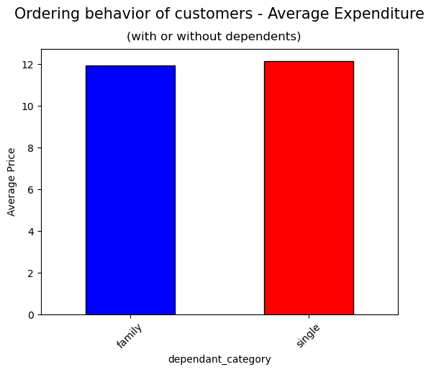
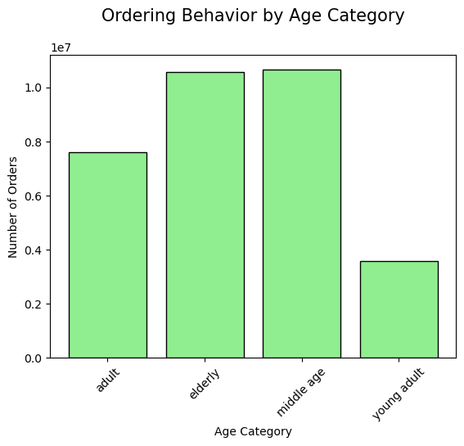
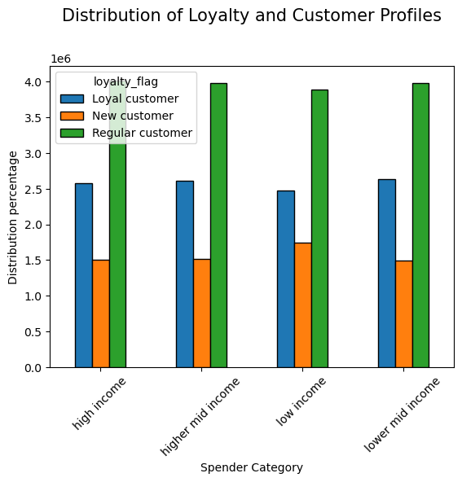
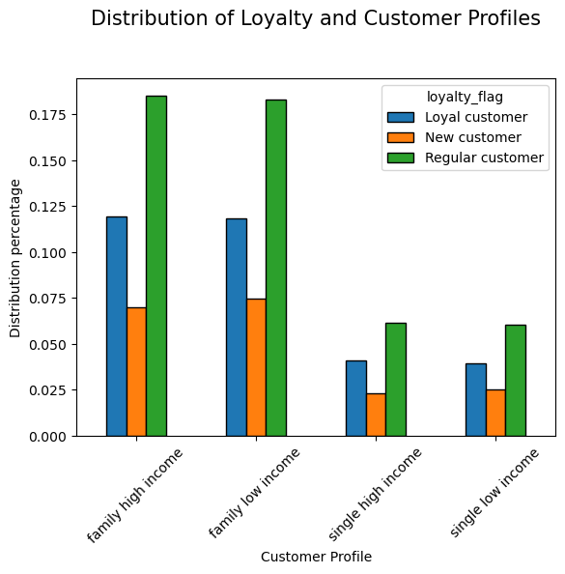
 |  |  |  | Title page

Visualisations

In this tab you should include all the visualtions from Exercises 4.9 and 4.10, alongside the questions from the project brief that they answer. Include any commentary on the relationship between different variables.

Question 1: What are the busiest days and hours of the week
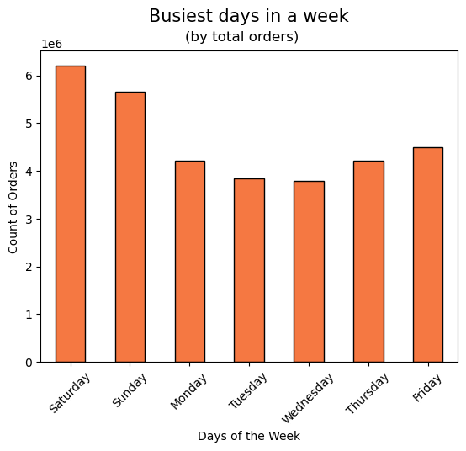
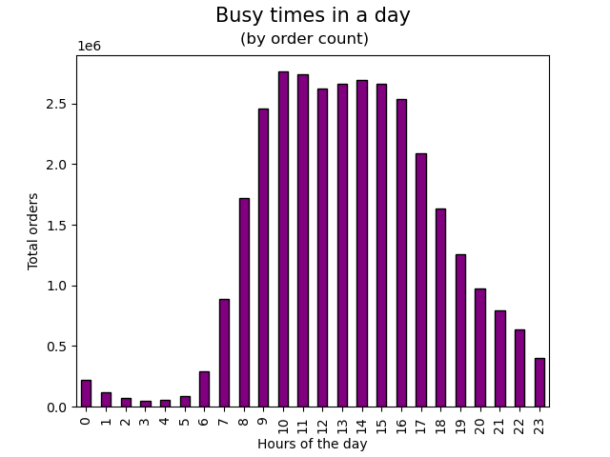

Comments: Fridays and weekends are the time the customers place more orders on Instacart. And within a day there are more orders placed between 10 - 17 hours.

Question 2:

When people spend most money?
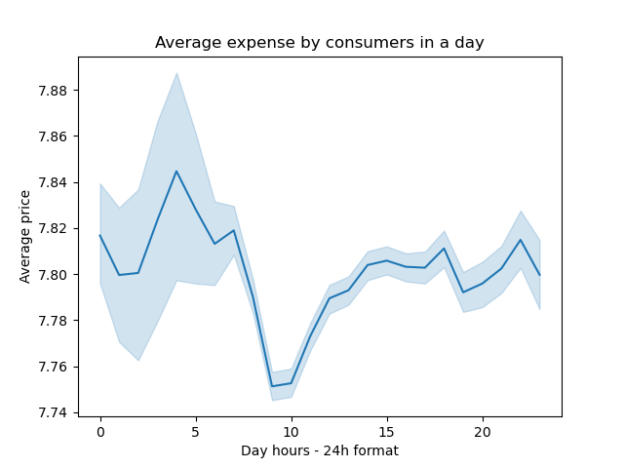
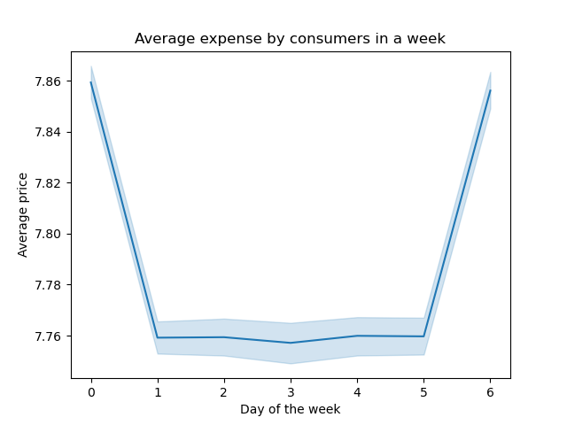

Comments: The average expense are higher on Saturday and Friday. Within the hours of a day, the average expense is higher around 4 am and then it peaks around 18 hours. The first few hours with high values are not reliable as the confidence intervals are wide.

Question 4:
Are there certain types of products that are more popular than others?
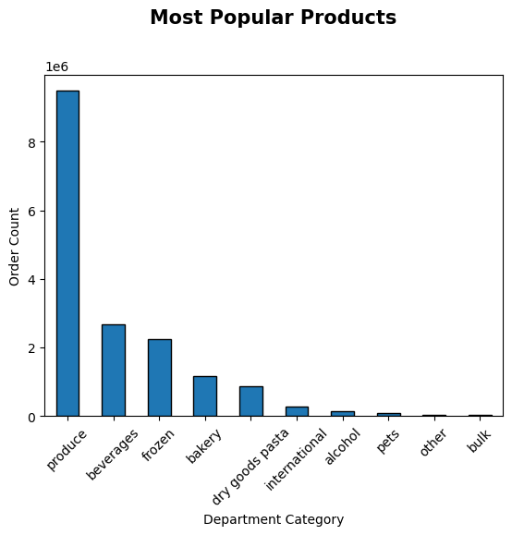

Other visuals

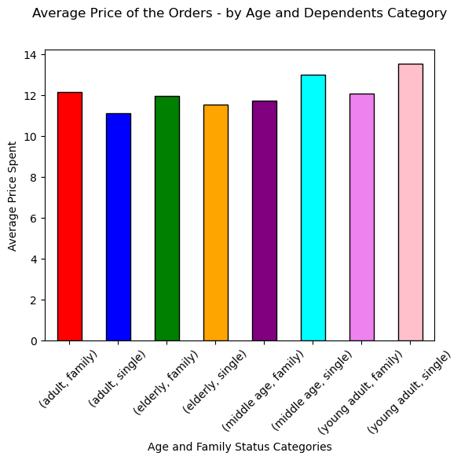
 | Comments:

 | The average expense made by the customer profile is described here. Young single adult tend to spend more money on the products followed by middle age famliy. Adult single tend to spend less money.

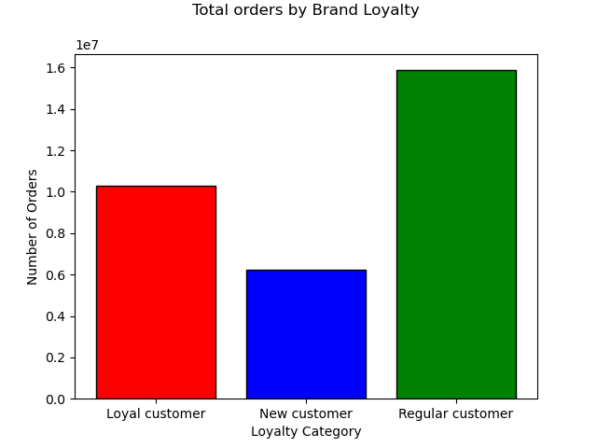
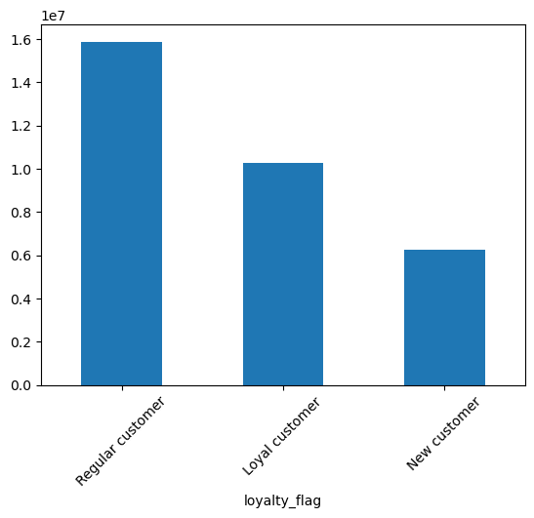
 | Comments:

 | There are more regular customers than loyal customers.

 | The number of orders placed is similar to the number of loyalty members.

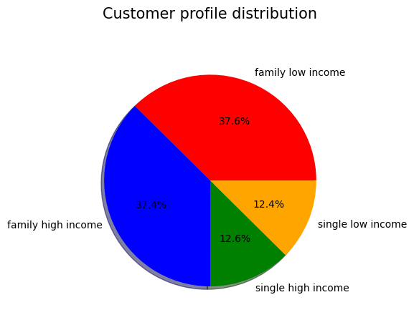
 |  | Comments
 |  | In terms of income groups, families with low and high income are the highest.

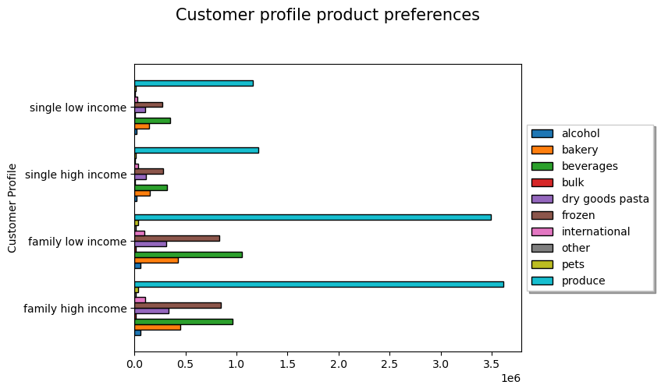
 |  |  |  |  |  | Comments
 |  |  |  |  |  | According to the customer profile, the produce are the most preferred product category. In case of family members after produce the next preferred product is beverages and frozen products.

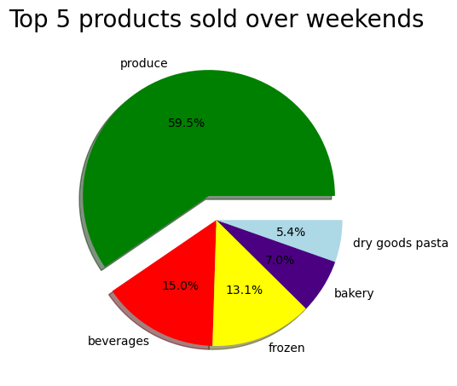
 |  |  | Comments:
 |  |  | Over the weekends, produce and beverages are the most bought prducts.

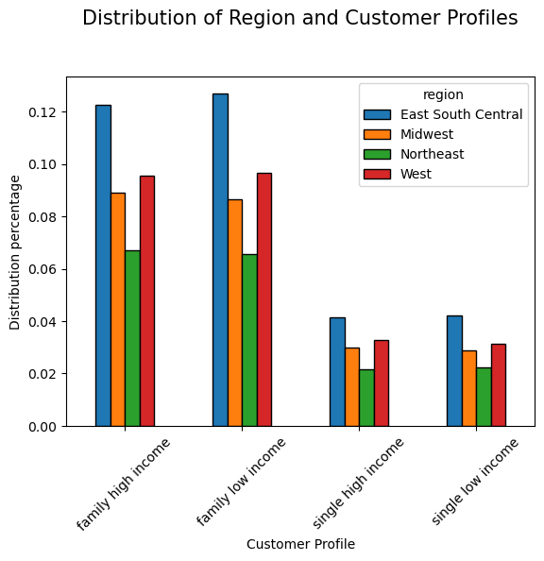
 |  |  | Comments

 |  |  | In terms of the regional spread by customer profile, the distribution of customer profile are similar across all regions. We can find that there are more customers from East South Central and

Other visuals:

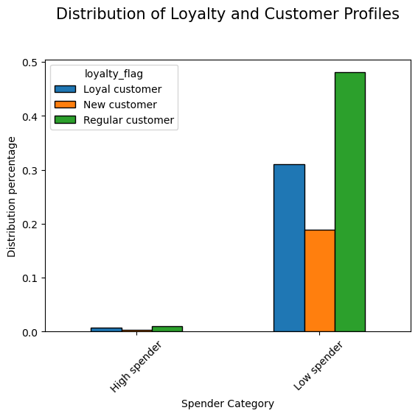

 |  |  | Comments:

 |  |  | There are more low spenders than high spenders. The distribution of loyalty is similar across the spender category.

 |  |  |  | Comments:

 |  |  |  | The distribution of loyalty groupings are same across all income groups.

 |  |  |  |  | Comments
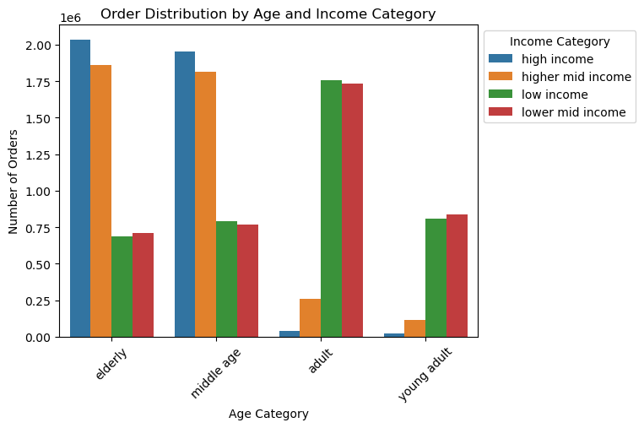
 |  |  |  |  | There are more orders placed by elderly high income and high mid income people. However, in the adult and young adult group low income and low mid income people place more orders.

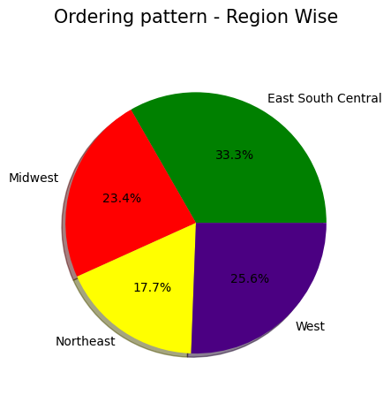
 |  |  | Comments

 |  |  | East South Central people order more.

7. Recommendations
 |  |  | Title page

Recommendations

In this tab you should include any recommendations you would made to Instcart in terms of their marketing strategy based on the questions posed in the brief. Every key question has been covered in the Tasks of the Exercises - here you need to add an item - a visualisation or table/crosstable that is showing the answer in the data, acompanied by a comment from you. Please, list the questions below and add the answer underneath.

Question | Answer | Recommendations
What are the busiest days of the week and hours of the day? | Saturday, Sunday, Friday are the busiest days of the week. . Customer place more orders between 9am and 4pm. The orders peak between 10 and 11 am. | To increase the orders in the middle of the week, we can provide offers and promotions. Also to faciliate even more orders during the weekends, provide more combo offers to have more products per cart.
Are there particular times of day when people spend the most money? | People spend relatively more on an average in the early morning hours between 2 - 5 hours. | The sales are relatively higher in the morning and on the weekend. However, the data has to interpreted cautiously as the confidence interval are wide. The most robust expenses around 18 and 23 hours of the day.
Are there certain products that are more popular than others? | Produce, beverages, frozen foods are most popular than bulk, pets, and alcohol. | Essential goods are relatively bought more by the consumers. Offers and promotions can be increased for products that are not popular.
Are there differences in ordering habits based on loyalty status? | Most of the customers are low spenders. | The low spenders profile can be explored further based on their income levels to probe into their earning capacity and their ordering behavior. Also, their behavior of ordering online should be studied in detail to come with a strategic plan.
Are there differences in ordering habits based on region? | East South Central and West customer order more from Instacart. | This behavior can be depicting the population. A normalization of the population and exploring the spending and ordering pattern will help us to understand better.
What is the distribution among users as to how often they return to Instacart? Is there a connection between age and family status and ordering habits? What different classifications does the demographic information suggest? Age? Income? Certain types of goods? Family status?? | Family with low and high income are the biggest segment for Instacart. They predominantly order produce and beverages. The income of this customers are relatively mixed. | Products that are family oriented especially produce and beverage based promotions will attract this segment.
What differences can you find in ordering habits of different customer profiles? Consider the price of orders, the frequency of orders, the products customers are ordering. | Elderly and middle age people tend to order more products. A similar ordering behavior is observed for single and family, there is slight difference observed in the average price paid to the products. Considering the expenditure behavior, the young single adult category spend more on an average followed by middle age family members. | There are a lot of other factors that Instacart could consider while developing a marketing plan. How many visits are made by the customer to their website and what is churn rate of the customers. Using this periodic purchase behavior they can compute the customer life time value to predict their revenue.

